User
Bug Number | Status | Description

1 | Fixed | Normally this happens only for those user or photographer which are created from postman or from admin panel. This will not come for those user who have signed in using MyClicker app.
2 | Fixed | You can only edit if the data doesnot come from map api. If the map api returns state,city or country, they the textfield will become readonly.
3 | Fixed
4 | Fixed | I added description with check box such that if user wants the equipment of photographer, he will select this checkbox and then on next page, he will see the photographer equipments and their price distribution. Otherwise he won't see any equipment.
5 | Working fine | we have option for custom offer, there you can bid
6 | Fixed
7 | Fixed | This exception is thrown by the stripe in case if you provide invalid account number to complete the payment. Now I have optimized the message to make It more clear as you can see in attached picture at right.This was set in the payment method screen of profile tab. You can use this test account number for testing purpose, "4242 4242 4242 4242"
8 | Working fine | Normally this happens only for those user or photographer which are created from postman or from admin panel. This will not come for those user who have signed in using MyClicker app.
9 | Fixed
10 | Fixed
11 | Fixed
12 | Fixed
13 | Fixed
14 | Fixed
15 | Fixed
16 | Fixed
17 | Fixed
18 | Fixed |  | 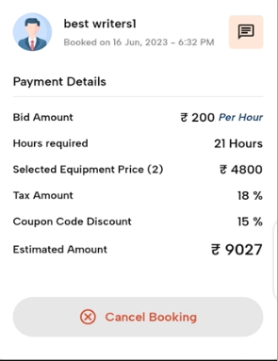
19 | Fixed
20 | Fixed
21 |  | Signup via Google, fb, instagram was not included in outlook requirements.
22 | Fixed
23 | Fixed
24 |  | Our server is hosted on GoDaddy domain, and it take some time to issue email. User will receive email in some minutes.
25 | Fixed | It will work fine for the newly created users. Verify it after creating new user.
26 | Fixed
27 | Only Siggestion not any bug | Sorry this time. We will work on suggestion in next release.
28 |  | In the user profile section, user can add multiple payment methods. User then set default payment method to any one of them. Later at the time of booking, the payment will be done through the default payment method. But if the user have not added any payment method, then he will be asked to add his payment details before placing order. | 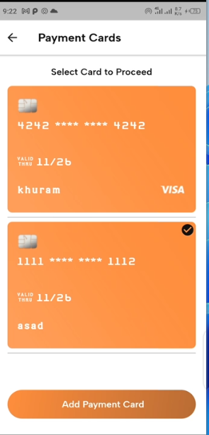
29 | Fixed
30 | Fixed
31 |  | We were told before that we have to restrict the user to enter only 9 to 10 digits of mobile number. As you have also method this point in bug 23. That’s why now the user can write more than 10 digits in phone number field, but he will get following error on saving. "Invalid mobile number, you can enter only 9-10 digits.". This is how he will get to know that he should enter mobile number in 9-10 digit range.
32 | Fixed
33 |  | Normally this happens only for those user or photographer which are created from postman or from admin panel. This will not come for those user who have signed in using MyClicker app.
34 | Only Siggestion not any bug | Sorry this time. We will work on suggestion in next release.
35
36
37
38

Photographer
Bug Number | Status | Description

1 | Fixed
2 | Fixed
3 | Fixed
4 |  | This bug is opposite to bug 1. So we can either disable the timeline selection when the user is unavailable, or we can allow him to select timeline when he is unavailable. So I followed bug 1.
5 | Fixed | I didn't faced this issue, how ever I have done some fixes.
6 | Working fine for users created trough myclicker app | Normally this happens only for those user or photographer which are created from postman or from admin panel. This will not come for those user who have signed in using MyClicker app.
7 | Fixed
8 | Fixed
9 | Fixed
10 | Fixed
11 | Fixed
12 | Fixed
13 | Fixed
14 | Fixed
15 | Fixed
16 | Fixed
17 | Fixed
18 | Fixed
19 | Fixed
20 |  | Signup via Google, fb, instagram was not included in outlook requirements.
21 | Fixed
22 | Fixed
23 |  | Our server is hosted on GoDaddy domain, and it take some time to issue email. User will receive email in some minutes.
24 | Fixed
25 | Working fine | A green message is displayed at top of screen for 1 second. Also you can see the create message of "Order has been withdrawn" on the screen. | 